Summary
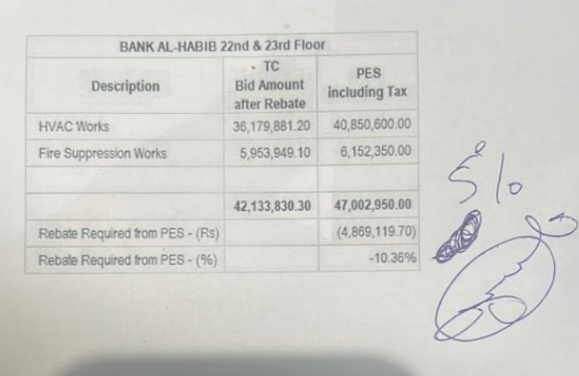
 |  |  |  | Bank Al-Habib Limited

HVAC & Fire Fighting Work |  |  |  | 22-Jan-24
22nd & 23rd Floor Centerpoint Karachi

SUMMARY OF FINAL BILL

S.No | Description | Material | Labour | Amount
1 | HVAC 22nd Floor | 1,948,672 | 347,233 | 2,295,905
2 | HVAC 23rd Floor | 3,206,770 | 483,086 | 3,689,857
 | Total Amount HVAC |  |  | 5,985,762

3 | Fire Fighting 22nd Floor | 380,534 | 359,488 | 740,022
4 | Fire Fighting 23rd Floor | 986,384 | 211,438 | 1,197,822
 | Total Amount Fire Fighting |  |  | 1,937,844

 | Grand Total Amount | 6,522,361 | 1,401,245 | 7,923,606

